Introduction - How to Use
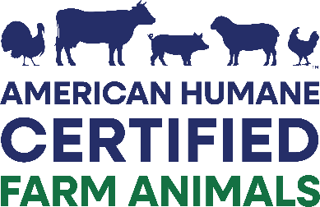
Introduction
Sampling Procedure American Humane utilized publicly available, peer-reviewed literature and collaborated with a professional statistician to develop a scientifically sound and statistically valid sampling methodology.

Step 1: Quantify the population of pigs by types of housing systems used on the site. The producer must supply a comprehensive animal inventory, including the number of pigs within each phase of production and housing type as well as the number of buildings or rooms that are currently housing pigs.

Pigs should be categorized as:
Individually housed pigs: | To include all animals individually housed in all areas of the farm. This includes females in farrowing* and breeding/gestation as well as any boars on site. *The lactating sow and her piglets are evaluated as a unit, such that all relevant measures for neonate piglets should be performed in farrowing rooms for neonate piglets of selected sows.

Group housed pigs: | To include all animals housed in groups (any pen or area with 2 or more animals). This includes group housed animals in breeding/gestation, nursery, grower, finisher, and any animals in the gilt development unit (GDU).

Step 2: Identify the minimum number of pigs that need to be observed for each phase of production based on Table 1.

 |  | Table 1. Number of pigs to observe
 |  | Total pigs per phase | Minimum pig to observe
 |  | < 260 | All animals
 |  | 260-500 | 260
 |  | 501-1000 | 300
 |  | 1001-4999 | 400
 |  | 5000 and up | 500

 | All pigs must be observed during the audit for timely euthanasia and treatment management, but benchmarking measures should only be performed for a statistical sample of the pigs.

 | On-site evaluation measures (section B) should exclude sick or hospital pens.
 | For sites that have individual and group housed animals, the auditor will need to refer to Table 1 for each sample calculation.

Step 3: For each phase, calculate the percentage of pigs present for each age and housing type to determine a representative sample.

Step 4: For each phase calculate the sample size of pigs to observe for each age and housing type to determine a representative sample.

Step 5: Determine which animals/pens need to be observed before entering the barn.
 | Pigs from all rooms/barns must be included in the observation sample.

 | Selection of which pigs or pens will be observed MUST be done before entering the barn.

 | For individually housed pigs, divide the total number of stalls/pens by the minimum number of pigs to evaluate, resulting in every Xth stall/pen being observed. If the stall/pen to evaluate is empty, move to the next one in line.

 | For group housed pigs, divide the total number of pigs to be observed by the average number of pigs/pen to determine how many pens need to be observed and always round up. Every pig in the pen must be observed.

